Test 1
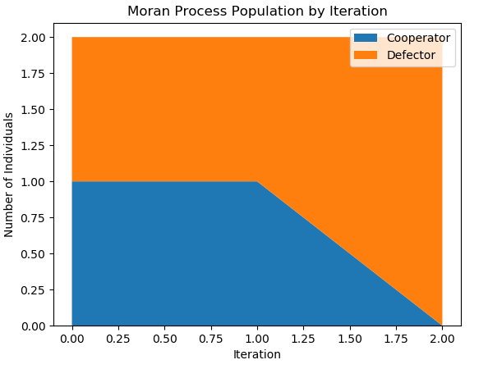
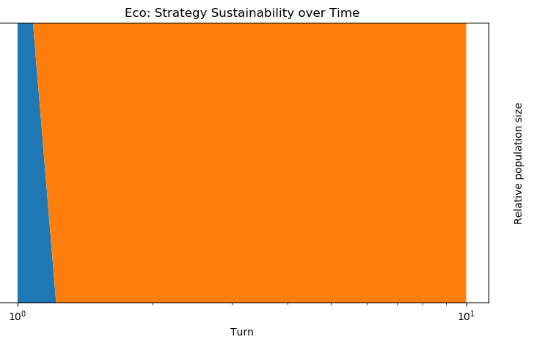
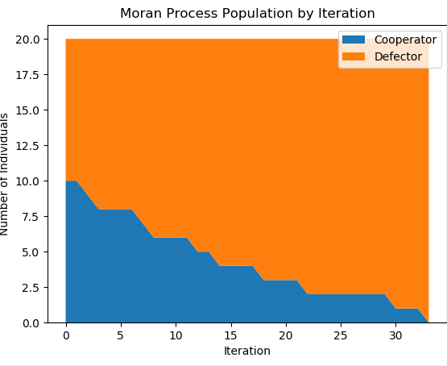
Test 1: Cooperator versus Defector

Game #1 | 1 C vs 1 D (seed) | Game #2 | 1 C vs 1 D (no seed) | Game #3 | 2 C vs 2 D | Game #4 | 5 C vs 5 D | Game #5 | 10 C vs 10 D
Seed set? | Yes (1) | Seed set? | No | Seed set? | No | Seed set? | No | Seed set? | No
Setup |  | Setup |  | Setup |  | Setup |  | Setup
Sim Length | 10 | Sim Length | 10 | Sim Length | 10 | Sim Length | 10 | Sim Length | 10
Games per Generation | 10 | Games per Generation | 10 | Games per Generation | 10 | Games per Generation | 10 | Games per Generation | 10
Noise | 0 | Noise | 0 | Noise | 0 | Noise | 0 | Noise | 0
Payoffs |  | Payoffs |  | Payoffs |  | Payoffs |  | Payoffs
Temptation | 5 | Temptation | 5 | Temptation | 5 | Temptation | 5 | Temptation | 5
Reward | 3 | Reward | 3 | Reward | 3 | Reward | 3 | Reward | 3
Punishment | 0 | Punishment | 0 | Punishment | 0 | Punishment | 0 | Punishment | 0
Sucker | -5 | Sucker | -5 | Sucker | -5 | Sucker | -5 | Sucker | -5
Participants |  | Participants |  | Participants |  | Participants |  | Participants
Cooperators | 1 | Cooperators | 1 | Cooperators | 2 | Cooperators | 5 | Cooperators | 10
Defectors | 1 | Defectors | 1 | Defectors | 2 | Defectors | 5 | Defectors | 10
Total # individuals | 2 | Total # individuals | 2 | Total # individuals | 4 | Total # individuals | 10 | Total # individuals | 20
Game Stats |  | Game Stats |  | Game Stats |  | Game Stats |  | Game Stats
Tournament Winner | Defector | Tournament Winner | Defector | Tournament Winner | Defector | Tournament Winner | Defector | Tournament Winner | Defector
Moran Winner | Defector | Moran Winner | Defector | Moran Winner | Defector | Moran Winner | Defector | Moran Winner | Defector
Eco Winner | Defector | Eco Winner | Defector | Eco Winner | Defector | Eco Winner | Defector | Eco Winner | Defector
Moran Winner by Iteration | 2 | Moran Winner by Iteration | 2 | Moran Winner by Iteration | 9 | Moran Winner by Iteration | 20 | Moran Winner by Iteration | 30
Cooperator Median Score | -5 | Cooperator Median Score | -5 | Cooperator Median Score | -2.3 | Cooperator Median Score | -1.44 | Cooperator Median Score | -5
Defector Median Score | 5 | Defector Median Score | 5 | Defector Median Score | 3.3 | Defector Median Score | 2.77 | Defector Median Score | 5

Notes | Seeds make no difference in such a simple situation | Notes |  | Notes |  | Notes |  | Notes

Test 3
Intermediate Strategies

Game #1 | 1 TfT vs 1 TTfT | Game #2 | C,D,TfT,TTfT | Game #3 | C,D,TfT, TTfT, G | Game #4 | Grudger v Defector | Game #5 | 10 C,D,TfT,TTfT,G | Game #6 | C,D,TfT,TTfT,G,AC | Game #7 | 10 C,D,TfT,TTfT,G
Seed set? | No | Seed set? | No | Seed set? | No
Setup |  | Setup |  | Setup |  | Setup |  | Setup |  | Setup |  | Setup
Sim Length | 10 | Sim Length | 10 | Sim Length | 10 | Sim Length | 10 | Sim Length | 10 | Sim Length | 10 | Sim Length | 10
Games per Generation | 10 | Games per Generation | 10 | Games per Generation | 10 | Games per Generation | 10 | Games per Generation | 10 | Games per Generation | 10 | Games per Generation | 10
Noise | 0 | Noise | 0 | Noise | 0 | Noise | 0 | Noise | 0 | Noise | 0 | Noise | 0
Payoffs |  | Payoffs |  | Payoffs |  | Payoffs |  | Payoffs |  | Payoffs |  | Payoffs
Temptation | 5 | Temptation | 5 | Temptation | 5 | Temptation | 5 | Temptation | 5 | Temptation | 5 | Temptation | 5
Reward | 3 | Reward | 3 | Reward | 3 | Reward | 3 | Reward | 3 | Reward | 3 | Reward | 3
Punishment | 1 | Punishment | 1 | Punishment | 1 | Punishment | 1 | Punishment | 1 | Punishment | 1 | Punishment | 1
Sucker | 0 | Sucker | 0 | Sucker | 0 | Sucker | 0 | Sucker | 0 | Sucker | 0 | Sucker | 0
Participants |  | Participants |  | Participants |  | Participants |  | Participants |  | Participants |  | Participants
Cooperators | 0 | Cooperators | 1 | Cooperators | 1 | Cooperators | 0 | Cooperators | 10 | Cooperators | 1 | Cooperators | 10
Defectors | 0 | Defectors | 1 | Defectors | 1 | Defectors | 1 | Defectors | 10 | Defectors | 1 | Defectors | 10
Tit for Tat | 1 | Tit for Tat | 1 | Tit for Tat | 1 | Tit for Tat | 0 | Tit for Tat | 10 | Tit for Tat | 1 | Tit for Tat | 10
Tit for Two Tats | 1 | Tit for Two Tats | 1 | Tit for Two Tats | 1 | Tit for Two Tats | 0 | Tit for Two Tats | 10 | Tit for Two Tats | 1 | Tit for Two Tats | 10
Grudger | 0 | Grudger | 0 | Grudger | 1 | Grudger | 1 | Grudger | 10 | Grudger | 1 | Grudger | 10
Revised Downing | 0 | Revised Downing | 0 | Revised Downing | 0 | Revised Downing | 0 | Revised Downing | 0 | Revised Downing | 0 | Revised Downing | 0
Nydegger | 0 | Nydegger | 0 | Nydegger | 0 | Nydegger | 0 | Nydegger | 0 | Nydegger | 0 | Nydegger | 0
Copier | 0 | Copier | 0 | Copier | 0 | Copier | 0 | Copier | 0 | Average Copier | 1 | Average Copier | 0
Pavlov | 0 | Pavlov | 0 | Pavlov | 0 | Pavlov | 0 | Pavlov | 0 | Pavlov | 0 | Pavlov | 0
Random | 0 | Random | 0 | Random | 0 | Random | 0 | Random | 0 | Random | 0 | Random | 0
Total # individuals | 2 | Total # individuals | 4 | Total # individuals | 5 | Total # individuals | 2 | Total # individuals | 50 | Total # individuals | 6 | Total # individuals | 50
Game Stats |  | Game Stats |  | Game Stats |  | Game Stats |  | Game Stats |  | Game Stats |  | Game Stats
Tournament Winner | Tie | Tournament Winner | Defector | Tournament Winner | TfT, 2TfT, Grudger | Tournament Winner | Defector | Tournament Winner | Defector | Tournament Winner | Defector | Tournament Winner | Defector
Moran Winner | Tit for Tat | Moran Winner | Tit for Tat | Moran Winner | Tit for Tat | Moran Winner | Defector | Moran Winner | Tit For Tat | Moran Winner | Defector | Moran Winner | Tit For Tat
Eco Winner | Tie | Eco Winner | - | Eco Winner | - | Eco Winner | Defector | Eco Winner | Grudger | Eco Winner | Defector | Eco Winner | Grudger
Moran Winner by Iteration | 1 | Moran Winner by Iteration | 8 | Moran Winner by Iteration | 60 | Moran Winner by Iteration | 1 | Moran Winner by Iteration | 80 | Moran Winner by Iteration | 1 | Moran Winner by Iteration | 80
Two Tits for Tat | 3 | Cooperator Median Score | 0.2413 | Cooperator Median Score | 2.25 | Cooperator Median Score |  | Cooperator Median Score | 0.2413 | Cooperator Median Score |  | Cooperator Median Score | 0.2413
Tit for Tat | 3 | Defector Median Score | 1.8965 | Defector Median Score | 2.3 | Defector Median Score | 1.4 | Defector Median Score | 1.8965 | Defector Median Score | 1.4 | Defector Median Score | 1.8965
 |  | Tit for Tat | 1.793 | Tit for Tat | 2.475 | Tit for Tat |  | Tit for Tat | 1.793 | Tit for Tat |  | Tit for Tat | 1.793
 |  | 2 Tit for Tat | 1.793 | 2 Tit for Tat | 2.475 | 2 Tit for Tat |  | 2 Tit for Tat |  | 2 Tit for Tat |  | 2 Tit for Tat
 |  |  |  | Grudger | 2.475 | Grudger | 0.9 | Grudger |  | Grudger | 0.9 | Grudger

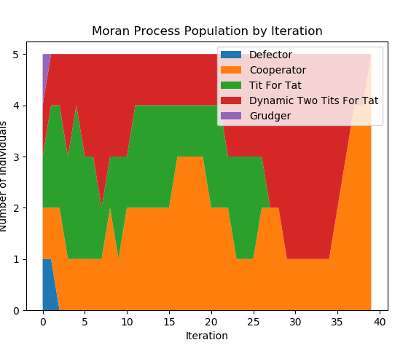
Notes | Neither side ever defects, resulting in a tie. | Notes |  | Notes | Defector is all but weeded out in Eco mode, as several less forgiving strategies are also in play. Note that Grudger will not defect unless defected against first, but then always will afterwards. As the only unfriendly strategy, with the other 4 only defecting unless retaliated against first, 3 strategies are essentially always defecting against Defector. | Notes |  | Notes

